Functions & Fill notes
Built-in Functions save you time/ typing and broaden the variety of calculation options at your fingertips
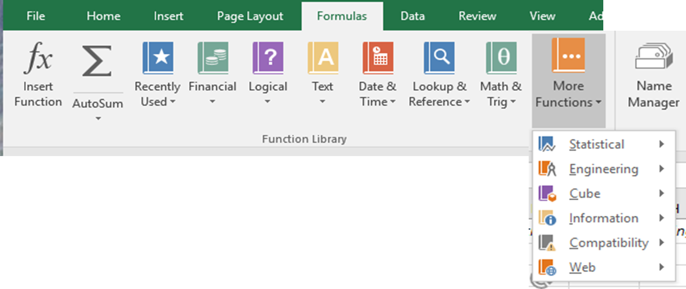
Functions:
SUM
AVERAGE
COUNT
MAX
MIN
arguments
ranges
circular reference
AutoSum
Insert Function
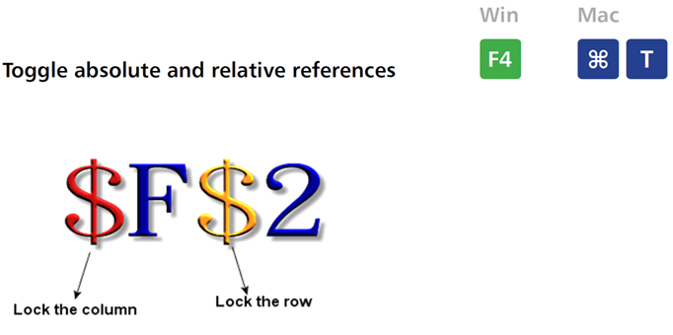
Nested functions

Fill:
Fill operation
Using the Fill Handle
Auto Fill
Fill Series

Cell References (aka cell addressing) | example
Relative address or Relative reference | A1
Absolute address or Absolute reference | ($A$1)
Mixed address or Mixed reference | ($A1 or A$1)

Naming cells
Naming ranges
Freeze Panes

FUNctions

Useful Excel Functions: A Non-Comprehensive List
ABS | 2 | =ABS(-2)
ARABIC | 52 | =ARABIC("LII")
CEILING | 58 | =CEILING(57.3425,1)
COMBIN | 163185 | =COMBIN(46,4)
CONVERT | 10.7143 | =CONVERT(150,"lbm","stone")
CORREL
COS | 0.5000 | =COS(RADIANS(60))
COUNTA | 51 | =COUNTA(A2:A53)
COUNTBLANK | 1 | =COUNTBLANK(A2:A53)
DEGREES
DELTA |  |  | All Excel Functions must start with an equals sign (=)
EVEN |  |  | SUM
EXP | 3.1931 | =EXP(1.161) | AVERAGE
FACT | 5040 | =FACT(7) | COUNT
FLOOR |  |  | MAX
GCD | 6 | =GCD(12,90) | MIN
INT | 3 | =INT(3.14159265359) | arguments
LARGE |  |  | ranges
LCM | 126 | =LCM(7,18)
LN | 1.9459 | =LN(7)
LOG | 3.3219 | =LOG(10,2)
MEDIAN |  |  |  |  | SUM |  |  | AVERAGE | MIN | MAX |  | COUNT |  |  | COUNTA
MID |  |  | Year | Conference | Wins | Losses | Ties | WinLossPercentage | SRS | SOS | AP Pre | AP High | AP Post | Coaches | Bowl
MODE |  |  | 2000 | Big 12 | 9 | 3 | 0 | 0.75 | 13.78 | 0.78 | 7 | 5 | 12 | Mack Brown (9-3) | Holiday Bowl-L
NORM.DIST FAMILY | 0.02 | =NORM.DIST(100,120,10,TRUE) | 2001 | Big 12 | 11 | 2 | 0 | 0.84615384615 | 18.67 | 2.21 | 5 | 3 | 5 | Mack Brown (11-2) | Holiday Bowl-W
NORM.INV FAMILY | 140.54 | =NORM.INV(0.98,120,10) | 2002 | Big 12 | 11 | 2 | 0 | 0.84615384615 | 17.32 | 4.01 | 4 | 2 | 6 | Mack Brown (11-2) | Cotton Bowl-W
NOW | 1/26/23 | =NOW() | 2003 | Big 12 | 10 | 3 | 0 | 0.76923076923 | 15.35 | 2.97 | 5 | 5 | 12 | Mack Brown (10-3) | Holiday Bowl-L
ODD |  |  | 2004 | Big 12 | 11 | 1 | 0 | 0.91666666667 | 19.27 | 5.18 | 7 | 5 | 5 | Mack Brown (11-1) | Rose Bowl-W
PERCENTILE |  |  | 2005 | Big 12 | 13 | 0 | 0 | 1 | 24.98 | 4.98 | 2 | 1 | 1 | Mack Brown (13-0) | Rose Bowl-W
PERMUT | 3916440 | =PERMUT(46,4) | 2006 | Big 12 | 10 | 3 | 0 | 0.76923076923 | 12.18 | 0.57 | 3 | 2 | 13 | Mack Brown (10-3) | Alamo Bowl-W
PI | 3.14 | =PI() | 2007 | Big 12 | 10 | 3 | 0 | 0.76923076923 | 10.99 | 1.91 | 4 | 4 | 10 | Mack Brown (10-3) | Holiday Bowl-W
POWER | 2197 | =POWER(13,3) | 2008 | Big 12 | 12 | 1 | 0 | 0.92307692308 | 23.98 | 6.05 | 11 | 1 | 4 | Mack Brown (12-1) | Fiesta Bowl-W
PRODUCT |  |  | 2009 | Big 12 | 13 | 1 | 0 | 0.92857142857 | 20.21 | 3.49 | 2 | 2 | 2 | Mack Brown (13-1) | BCS Championship-L
QUARTILE |  |  | 2010 | Big 12 | 5 | 7 | 0 | 0.41666666667 | 1.71 | 2.63 | 5 | 5 |  | Mack Brown (5-7)
QUOTIENT |  |  | 2011 | Big 12 | 8 | 5 | 0 | 0.61538461538 | 12.16 | 7.16 |  | 11 |  | Mack Brown (8-5) | Holiday Bowl-W
RADIANS |  |  | 2012 | Big 12 | 9 | 4 | 0 | 0.69230769231 | 11.18 | 5.57 | 15 | 11 | 19 | Mack Brown (9-4) | Alamo Bowl-W
ROMAN | LII | =ROMAN(52) | 2013 | Big 12 | 8 | 5 | 0 | 0.61538461538 | 7.45 | 5.45 | 15 | 15 |  | Mack Brown (8-5) | Alamo Bowl-L
ROUND |  |  | 2014 | Big 12 | 6 | 7 | 0 | 0.46153846154 | 3.98 | 5.29 |  |  |  | Charlie Strong (6-7) | Texas Bowl-L
SEC |  |  | 2015 | Big 12 | 5 | 7 | 0 | 0.41666666667 | 1.09 | 4.84 |  |  |  | Charlie Strong (5-7)
SIGN |  |  | 2016 | Big 12 | 5 | 7 | 0 | 0.41666666667 | 1.75 | 2.42 |  | 11 |  | Charlie Strong (5-7)
SIN |  |  | 2017 | Big 12 | 7 | 6 | 0 | 0.53846153846 | 8.21 | 3.91 | 23 | 23 |  | Tom Herman (7-6) | Texas Bowl-W
SKEW |  |  | 2018 | Big 12 | 10 | 4 | 0 | 0.71428571429 | 11.15 | 6.3 | 23 | 6 | 9 | Tom Herman (10-4) | Sugar Bowl-W
SQRT | 12 | =SQRT(144) | 2019 | Big 12 | 7 | 5 | 0 | 0.58333333333 | 10.46 | 5.54 | 10 | 9 |  | Tom Herman (7-5)
SQRTPI |  |  |  |  | 180 |  |  | 0.69945054945 |  |  |  | 18 | 12
STANDARDIZE
STDEV
SUMPRODUCT
T.DIST FAMILY
T.INV FAMILY
TAN
TODAY | 2023-01-26 | =TODAY()

GradeCalculator
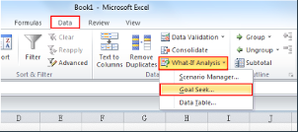
Assignment | weight | grade
Paper 1 | 15.00% | 58
Paper 2 | 15.00% | 70 | Click on Data to bring up the Data Ribbon
Quiz | 5.00% | 72 | Click on the What-if-Analysis icon and select Goal Seek
Lab | 25.00% | 60 | Set cell C8
final exam | 40.00% | 80 | to value 70.5
extra credit | 0.50% | 100 | By changing cell C6
final grade | 100.00% | 70.30
 |  |  | Notice that I added extra credit here
I used the SUMPRODUCT() function to calculate the weighted |  |  | Canvas messes this up!
average in cell C7! It's a very handy function!

insert function
Netflix always pays its debts?
At the end of Q1 2018, Netflix had 125 million customers worldwide. Their subscription fees will generate ≈$14 billion in 2018 revenue, most of which the company will use for international expansion and to aggressively produce new streaming content. But additional funds will be needed to finance these massive expenditures. Thus, Netflix plans to issue 11-year bonds[1] with a total value of $1.5 billion. Each bond will have annual coupons of $80 and a $1,000 face value. What is the value that Netflix will receive now from each bond given a discount rate of 6%? |  |  |  | [1] Individuals and institutions buy bonds from Netflix as an investment. Netflix sells each bond at a certain market price, receiving funds that can be used as needed to finance operations. At the end of the bond’s life, Netflix makes a payment (known as the bond face value) to each bond owner. Additionally, Netflix must pay a percentage of the bond’s face value (known as the coupon) to bond owners during each time period of the investment.

future value | ($1,000.00)
# time periods | 11 |  |  |  | 1
payment | ($80.00) |  |  |  | 2
interest rate | 6% |  |  |  | 3
present value |  |  | Formulas Tab > Insert Function |  | 4
 |  |  |  |  | 5

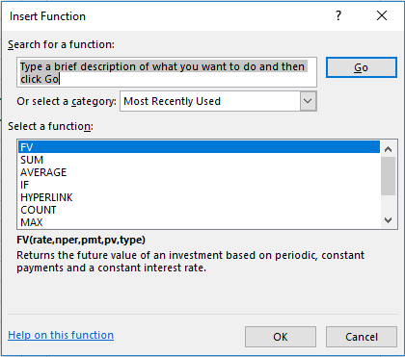
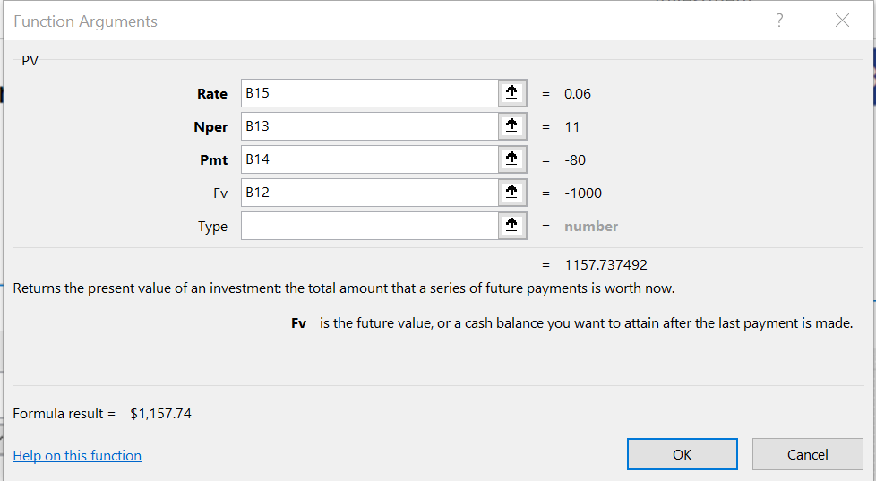
 | $1,157.74 | =PV(B15,B13,B14,B12) |  |  | 3

Fill Handle
How to enter data with the Fill Handle

 | Make copy of source cells or base on a repeatable pattern
 | The Fill Handle is the box that appears in the lower right-hand corner of a selection of cells

 | Copy Source Cell

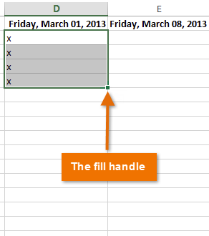
 | iPod |  | iPad | iPhone | Android | Kindle
 | iPod |  | iPad |  | Android
 | iPod |  | iPad |  | Android
 | iPod |  | iPad |  | Android
 | iPod |  | iPad |  | Android
 | iPod |  | iPad |  | Android
 | iPod |  | iPad
 | iPod |  | iPad
 | iPod |  | iPad
 | iPod |  | iPad
 | iPod |  | iPad
 | iPod |  | iPad
 | iPod |  | iPad

 | Built-In Patterns

 | January | Monday | Jan | Mon | 1st | Item 1 | Product 001 | 2023-02-01 | 2023-02-01 | Q1 | 1:00:00 | 1:00:00
 |  |  |  |  |  | Item 2 |  |  |  |  | 2:00:00 | 1:30:00

 | Create series of numbers from 1 to 1000

Fibonacci Formula Fill
 |  | FYI: Fibonacci numbers and the Golden Ratio

Numbers | Fibonacci | Golden Ratio | Create a worksheet with three well-labeled colums
1 | 1 |  | The first column should contain the numbers [0, 1,…,19, 20]
2 | 1
3 |  |  | The second column should contain the first 20 successive terms of the Fibonacci series.
4 |  |  | Any term in the sequence is the sum of the previous two terms
5
6 |  |  | The third column should contain the successive approximations to the Golden Ratio, displayed as decimals.
7 |  |  | Compute the Golden Ratio by taking the ratio of successive terms of the Fibonacci series
8
9 |  |  | Use the Fill operation for all three columns
10 |  |  | Here we are using relative addressing
11
12
13
14
15
16
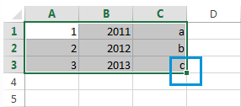
17
18
19
20
21

World Population
World Population by Continent
 |  |  | (1) Calculate the sum of the world population in cell B11
Absolute addressing for one cell
Continent | Population (in millions) | Proportion of World Population
Africa | 1,216 |  | (2) Write a formula in cell C5 that can be filled down cells C5:C10
Asia | 4,582
Europe | 739
North America | 579
Oceania | 38
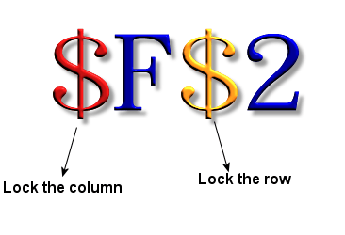
South America | 423
TOTAL

Absolute addressing for a range of cells
How to do the calculation without a TOTAL cell?
Continent | Population (in millions) | Proportion of World Population
Africa | 1,216 | 0% | (3) Without calculating the World Pop total in a separate cell, write a formula in cell C16 that can be filled down cells C16:C21
Asia | 4,582
Europe | 739
North America | 579
Oceania | 38
South America | 423
TOTAL

Use Named Cell
Continent | Population (in millions) | Proportion of World Population
Africa | 1,216
Asia | 4,582
Europe | 739
North America | 579
Oceania | 38
South America | 423
TOTAL | 7,577

Use Named Range
How to do the calculation without a TOTAL cell?
Continent | Population (in millions) | Proportion of World Population
Africa | 1,216
Asia | 4,582
Europe | 739
North America | 579
Oceania | 38
South America | 423

Gradebook
 |  |  | 30% | 20% | 50%
Name | Surname | Calculate grade with named cells | Homework (%) | Midterm (%) | Final exam (%) | Calculate grade with absolute references
Cesar | Borja |  | 97.78 | 88.94 | 72.09 |  | Grade calculated as:
Hilde | Boyce |  | 61.11 | 92.16 | 96.91 |  | Homework | 0.3
Cortez | Buchan |  | 71.11 | 96.17 | 83.51 |  | Midterm | 0.2
Fredia J. | Burger |  | 88.89 | 90.90 | 78.29 |  | Final Exam | 0.5
Micah | Castellanos |  | 64.44 | 90.20 | 76.60
Shavon | Cava |  | 66.67 | 66.75 | 84.49
- Freeze panes below Row 2. (Use the View Menu)
- Create a formula in cell G3 that can be filled down the column to calculate final grades for each student (30% Homework, 20% Midterm, 50% final exam).
- At the bottom of the worksheet, use functions to calculate high grade, low grade, average, median, and standard deviation for each grade component.
- Name the cells containing grade weights (e.g., name cell D1 containing 30% "homework", E1 = "midterm", and F1 = "final". Use named cells in a formulain Column C to calculate final grades.
- Name the range of cells where you have calculated final grades (C3:C62) = "grades". Use this named range in functions to calculate high grade, low grade, average, median, and standard deviation at the bottom of the worksheet.
Harland | Cesario |  | 88.89 | 78.62 | 86.89
Sabrina | Chapin |  | 72.22 | 92.55 | 84.03
Odis T. | Cloyd |  | 31.11 | 75.34 | 73.08
Dusti B. | Custis |  | 88.89 | 88.63 | 91.19
Lavelle | Cybart |  | 76.67 | 75.18 | 87.92
Clifton | Delahoussaye |  | 86.67 | 79.33 | 85.60
Mitzi | Depp |  | 88.89 | 85.03 | 76.93
Houston | Epperson |  | 73.33 | 85.45 | 94.29
Harvey | Fecteau |  | 86.67 | 85.04 | 91.43
Devin | Fitzsimons |  | 77.78 | 82.69 | 72.07
Sherman F. | Forester |  | 97.78 | 73.38 | 88.76
Agueda | Gagliardi |  | 85.56 | 88.10 | 79.83
Luigi | Gartman |  | 60.00 | 93.71 | 87.14
Anna X. | Gault |  | 65.56 | 77.66 | 87.48
Rosio | Greenspan |  | 85.56 | 96.71 | 88.62
Spencer R. | Guido |  | 77.78 | 87.76 | 93.46
Tillie | Hemond |  | 20.00 | 86.75 | 100.00
Anderson | Horton |  | 75.56 | 89.83 | 100.00
Kizzie | Houchins |  | 95.56 | 89.59 | 90.37
Neda | Irby |  | 68.89 | 82.96 | 79.89
Brandon | Kania |  | 85.56 | 71.07 | 85.99
Abram | Lan |  | 86.67 | 81.41 | 86.14
Viviana A. | Lora |  | 60.00 | 94.97 | 97.31
Dorethea M. | Lucia |  | 86.67 | 91.28 | 85.59
Marilou | Macfarland |  | 92.22 | 80.34 | 85.32
Yuko | Madkins |  | 77.78 | 80.24 | 90.58
Darwin | Matas |  | 86.67 | 85.78 | 93.50
Francie | Mcquade |  | 95.56 | 89.60 | 73.79
Rochelle | Medlin |  | 75.56 | 77.08 | 78.90
Contessa | Monarrez |  | 95.56 | 82.92 | 75.09
King | Mull |  | 96.67 | 93.00 | 96.44
Madaline | Parchman |  | 88.89 | 79.26 | 87.76
Adah | Pattison |  | 77.78 | 80.18 | 90.83
Angela | Pea |  | 91.11 | 70.55 | 92.90
Ossie | Perla |  | 60.00 | 84.25 | 82.25
Javier | Poland |  | 44.44 | 85.47 | 82.12
Joan | Redding |  | 63.33 | 86.23 | 84.12
Cristopher | Redmond |  | 85.56 | 78.21 | 82.36
Elliott | Roan |  | 82.22 | 94.47 | 72.19
Jonah | Rosenberry |  | 94.44 | 73.48 | 82.44
Mamie | Rossetti |  | 76.67 | 89.15 | 88.92
Jesusita | Samons |  | 66.67 | 81.47 | 93.14
Darron M. | Saxon |  | 93.33 | 78.96 | 87.09
Rodney | Shores |  | 76.67 | 80.79 | 89.48
Ulysses | Shuford |  | 83.33 | 84.17 | 83.53
Rebekah | Sidwell |  | 96.67 | 85.11 | 100.00
Jay W. | Siqueiros |  | 81.11 | 82.32 | 71.50
Caitlin | Stebbins |  | 90.00 | 86.48 | 83.68
Madison | Stitt |  | 95.56 | 69.14 | 93.69
Merrie | Straker |  | 58.89 | 81.69 | 89.10
Jack | Stultz |  | 62.22 | 84.75 | 85.74
Leland | Tarrance |  | 81.11 | 80.63 | 99.95
Salvador | Valladares |  | 58.89 | 77.68 | 93.56
Trenton | Villicana |  | 77.78 | 90.09 | 100.00

 | Average |  | 77.98
 | Median |  | 81.11
 | Min |  | 20.00
 | Max |  | 97.78
 | Standard Deviation |  | 15.91
 |  | #N/A | =AVERAGE(D3:D62)
 |  | #N/A | =MEDIAN(D3:D62)
 |  | #N/A | =MIN(D3:D62)
 |  | #N/A | =MAX(D3:D62)
 |  | #N/A | =STDEV(D3:D62)

Atoms-to-Bits, Inc.
Atoms-To-Bits, Inc. |  | INPUT CELLS:
 | Visitor growth |  | For the next two years, the firm plans to increase the number of website visitors by 4% per week.
 | Conversion rate |  | This week there are 150k visitors, 2% of whom place orders. This conversion rate is expected to persist over the next two years.
 | Order growth |  | This week, customer orders average $27 each. Over the next two years, the average order amount is expected to increase by $1.13 each week.

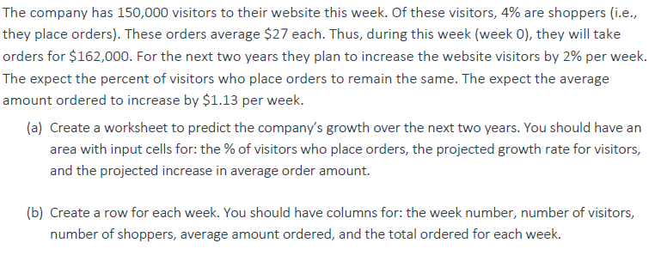
 |  |  | Weekly orders ($)
Week | Visitors | Shoppers | Average | Total
0 | 150,000

Mixed Addressing
Commission Rates by year |  |  | 6% | 7% | 9% | 10%
 |  |  | Commission ($)
Employee |  | Sales ($) YTD 2018 | 2015 | 2016 | 2017 | 2018
1 | Adam | 181,014
Employees earn commission each year as a percentage of their sales. The start-up has increased commission rates in each of the past four years to reward hard workers, but times are tight as they try to scale up the operation with Series B Funding. Human Resources is evaluating the commission rate policy in part using Sales data from 2018.
What amount of commission ($) did employees earn on their sales in 2018, and what would they have earned on the same sales with the commission rates in each of the previous three years?
Freeze Panes below row 3.
We want to refer to Sales column, changing by row, and the Commission Rates, changing by column.
What formula should be in cell D4?
Which cells to reference?
How to use $ syntax for mixed references?
2 | Amy | 297,149
3 | Andy | 403,112
4 | Ann | 352,999
5 | Anthony | 621,007
6 | Antoine | 655,724
7 | April | 211,753
8 | Arnold | 120,738
9 | Arthur | 186,530
10 | Becky | 190,788
11 | Brad | 230,592
12 | Caleb | 135,939
13 | Calvin | 133,692
14 | Carly | 328,745
15 | Carrie | 287,394
16 | Christopher | 523,972
17 | Daniel | 637,592
18 | Dhruv | 432,845
19 | Donald | 635,782
20 | Donny | 209,674
21 | Eileen | 270,067
22 | Elijah | 720,149
23 | Eric | 635,782
24 | Erica | 209,674
25 | Esther | 270,067
26 | Ethan | 720,149
27 | Eugene | 707,761
28 | Faith | 183,010
29 | Frances | 657,380
30 | Francesca | 325,941
31 | Fred | 142,280
32 | Gail | 454,160
33 | Garrett | 761,143
34 | Gary | 493,056
35 | George | 252,295
36 | Grace | 160,359
37 | Harold | 662,119
38 | Holly | 273,341
39 | Isabel | 659,262
40 | Issac | 372,647
41 | Issaiah | 232,273
42 | Jake | 306,319
43 | James | 201,467
44 | Jay | 723,003
45 | Jeremy | 610,405
46 | Jessica | 645,546
47 | Jessica | 543,272
48 | Jimmy | 536,571
49 | John | 376,076
50 | Jon | 141,375
51 | Joseph | 557,061
52 | Joshua | 624,122
53 | Josiah | 483,883
54 | Joy | 552,608
55 | Jude | 340,228
56 | Justin | 187,897
57 | Kevin | 782,041
58 | Kristina | 448,143
59 | Kyle | 737,821
60 | Larry | 247,827
61 | Lawrence | 343,447
62 | Lawrence | 633,144
63 | Leah | 263,150
64 | Lisa | 729,570
65 | Logan | 768,390
66 | Marielle | 577,808
67 | Mark | 377,642
68 | Martha | 175,592
69 | Mary | 550,020
70 | Mia | 433,609
71 | Michael | 514,941
72 | Michelle | 203,235
73 | Misha | 533,027
74 | Mitchell | 618,454
75 | Morgan | 634,508
76 | Nathan | 216,603
77 | Nicholas | 549,210
78 | Nick | 688,299
79 | Nicole | 368,799
80 | Patricia | 581,080
81 | Paul | 589,226
82 | Peter | 520,609
83 | Pooja | 683,872
84 | Rachael | 417,073
85 | Sam | 417,788
86 | Sarah | 599,929
87 | Sasha | 657,545
88 | Shelley | 157,948
89 | Shree | 141,322
90 | Steven | 744,799
91 | Theodore | 641,931
92 | Thomas | 726,539
93 | Timothy | 598,067
94 | Tina | 413,072
95 | Todd | 236,756
96 | Tyler | 242,811
97 | Tyler | 593,834
98 | Ursula | 595,356
99 | Victor | 416,463
100 | Victoria | 218,146

